Sheet1
Head Calculations
Brigham Young University - CE 547

Part 1 - Capillary Rise

Fill in the missing values:

Point | Hel | Hp | Ht
A
B
C
D

Part 2 - Flow Net Calculations
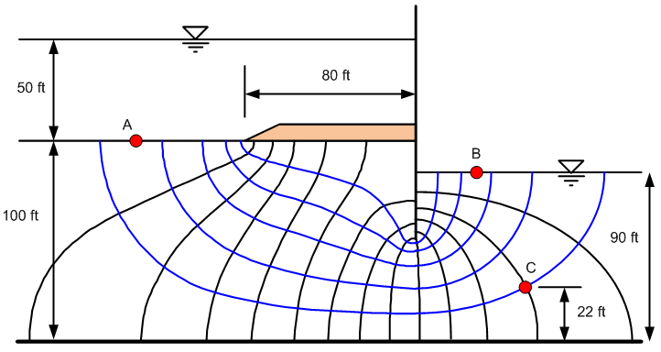
Fill in the missing values:

Point | Hel | Hp | Ht
A
B
C

